Capitalizing Interest
Seven Steps in the Capitalization of Interest |  |  | Example:
 |  |  | (Capitalization of Interest) On December 31, 2009, Hurston Inc. borrowed $3,000,000 at 12% payable annually to finance the construction of a new building. In 2010, the company made the following expenditures related to this building: March 1, $360,000; June 1, $600,000; July 1, $1,500,000; December 1, $1,200,000. Additional information is provided as follows.
1.) | Determine which assets qualify for capitalization of interest
 | Qualifying assets include assets under construction for the firm's own use (such as buildings, machinery) and assets under construction for sale or lease as part of discrete projects (such as real estate projects).

 |  |  | 1. | Other debt outstanding
 |  |  |  | 10-year, 11% bond, December 31, 2003, interest payable annually |  |  |  |  | $4,000,000
2.) | Determine the Capitalization Period |  |  | 6-year, 10% note, dated December 31, 2007, interest payable annually |  |  |  |  | $1,600,000
 | The capitalization period begins when all three of the following conditions have been met: |  | 2. | March 1, 2010, expenditure included land costs of $150,000
 | (a) | Expenditures for the asset have been made (i.e., the firm has made cash payments or has incurred debt for construction of the asset). | 3. | Interest revenue earned in 2010 |  |  |  |  | $49,000
 | (b) | Necessary activities to get the asset ready for its intended use are in progress (i.e., actual construction work is taking place).
 | (c) | Interest cost of some kind is being incurred (i.e., the firm has some type of interest-bearing debt outstanding). This debt need not be specific debt incurred on the asset. It may be general debt such as bonds payable. Therefore a company may capitalize interest cost even though the entire construction cost of the asset was paid for in cash, so long as the company has some type of interest-bearing debt outstanding. | Instructions
 | The capitalization period ends when any of these three conditions is no longer being met. |  | (a) | Determine the amount of interest to be capitalized in 2010 in relation to the construction of the building.
 |  |  | (b) | Prepare the journal entry to record the capitalization of interest and the recognition of interest expense, if any, at December 31, 2010.
3.) | Compute the Expenditures Made during the Capitalization Period.
 | An expenditure may be financed either with cash payments or with the incurrence of debt. Whenever an expenditure is made on a qualifying asset, the qualify in asset account is debited and either the cash account or a liability account is credited. |  |  | Loan Type |  |  | Amount | Annual Interest Rate
 |  |  |  | Specific debt |  |  | $3,000,000 | 12%
4.) | Compute Weighted-Average Accumulated Expenditures. |  |  | General debt |  |  | $4,000,000 | 11%
 | The amount of expenditures on qualifying assets usually varies considerably; it builds up or accumulates as additional expenditures are made during the year. In order to determine the interest cost associated with these expenditures, it is necessary first to compute the weighted-average accumulated expenditures. This figure is an "average" or "annualized" quantity representing the average amount of funds tied up in construction throughout the year. |  |  | General debt |  |  | $1,600,000 | 10%

5.) | Compute Avoidable Interest
 | The purpose of this computation is to estimate the amount of interest that theoretically could have been avoided if expenditures had not been made on the qualifying assets. Three procedures must be followed before avoidable interest can be computed: |  |  | Weighted-Avg. Accumulated Expenditures:
 | (a) | Identify the company's outstanding debt and classify either as: |  |  |  |  | Annual Construction Expenditures | Factor | Weighted-Avg. Expenditures
 |  | i. Specific debt - debt incurred specifically to finance the construction of assets |  | March 1, 2010 |  |  | $360,000 | 10/12 | $300,000
 |  | ii. General debt - all company debt excluding specific debt |  | June 1, 2010 |  |  | $600,000 | 7/12 | $350,000
 | (b) | Determine the appropriate interest rate to apply to the weighted average accumulated expenditures. |  | July 1, 2010 |  |  | $1,500,000 | 6/12 | $750,000
 |  | i. Specific debt rate - the interest rate associated with specific debt |  | December 1, 2010 |  |  | $1,200,000 | 1/12 | $100,000
 |  | ii. General debt rate - a weighted-average of interest rates incurred on all other outstanding debt during the period |  |  |  |  | $3,660,000 |  | $1,500,000
 | (c) | Compute the avoidable interest
 |  | 1. Multiply the specific debt interest rate times the portion of the weighted-average accumulated expenditures that is less than or equal to the amount of specifically borrowed debt. |  | Avoidable Interest Calculation: (interest on WAAE)
 |  | 2. Multiply the weighted-average of interest rates incurred on all other general debt times the portion of the weighted-average accumulated expenditures that is gerater than the specific debt.
 |  |  |  | Loan Type |  | Amount | Interest Rate | Annual Interest Cost
6.) | Compute the Actual Interest Cost Incurred |  |  | Specific debt |  | $3,000,000 | 12% | $360,000
 | It would not be reasonable to capitalize more interest than the total amount of interest actually incurred. |  |  | General debt |  | $4,000,000 | 11% | $440,000
 |  |  |  | General debt |  | $1,600,000 | 10% | $160,000
7.) | Determine the Interest Cost to be Capitalized
 | The interest cost to be capitalized is the lesser of the avoidable interest or actual interest. The amount of interest capitalized is debited to an asset account along with the construction and other costs of acquiring the asset. These costs are depreciated over the asset's expected useful life. The amount of interest cost expensed is written off immediately to Interest Expense. |  |  | Wtd. Avg. Interest rate on General debt |  |  |  | 10.71%

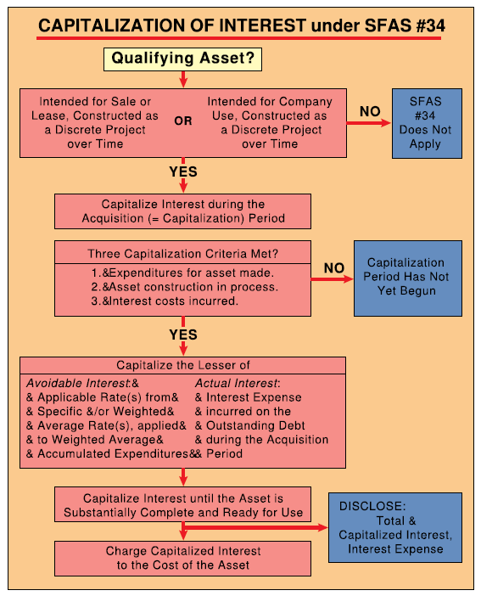
 |  |  |  | Accumulated Expenditures | Interest Rate | Avoidable Interest
 |  |  |  | $1,500,000 | 12% | $180,000
 |  |  |  | $0 | 10.71% | $0
 |  |  |  | $1,500,000 |  | $180,000 | Avoidable Interest

 |  |  |  | Actual Interest Calculation:

 |  |  |  | Loan Type |  |  | Amount | Interest Rate | Interest
 |  |  |  | Construction Loan |  |  | $3,000,000 | 12% | $360,000
 |  |  |  | Other - 10 year, 11% loan |  |  | $4,000,000 | 11% | $440,000
 |  |  |  | Other - 6 year, 10% loan |  |  | $1,600,000 | 10% | $160,000
 |  |  |  |  |  |  |  |  | $960,000 | Actual Interest

 |  |  |  | Capitalized Interest |  | $180,000 | Min(Avoidable interest, Actual interest)

 |  |  |  | Interest Expense |  | $780,000 | Actual interest - Capitalized interest)

 |  |  | (b)

 |  |  |  | Accounts |  | DR | CR
 |  |  |  | Building |  | $180,000
 |  |  |  | Interest Expense |  | $780,000
 |  |  |  | Cash |  |  | $960,000

